Sheet1
State | Maryland

Row Labels | Sum of Sales | Pivot Charts
Mar-12 | 596.156
Nov-11 | 4373.8535 | Lets create a simple dashboard using pivot charts!!
Grand Total | 4970.0095 | 1. Create a pivot table with 'Order Month-Year' (create this column in the dataset) in the row, state in the filter section and sales in values evaluated
 |  | 2. Create a pivot chart to represent the the variation in sales across time with the ability to change state filter
 |  | 3. Create slicers with options to filter State, Product Category, Order Priority and Ship Mode
 |  | 4. Format the chart title to show: Monthly Sales for <State Selected from Slicer>

State wise

 |  |  | Column Labels
 |  |  | Maryland
 |  |  | Maryland

Dashboard
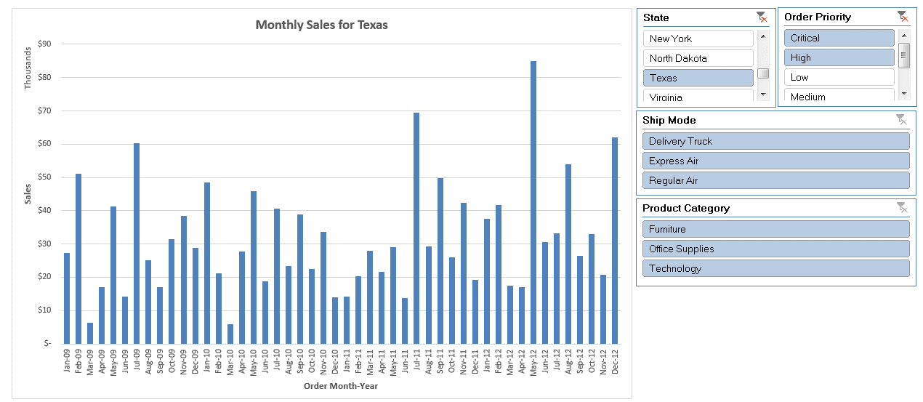

Monthly Sales for

